LA Selector
2013/14 |  | 18.08 |  |  |  |  |  | 6.01
2014/15 |  | 15.86 |  |  |  |  |  | 4.59
2015/16 |  | 16.66 |  |  |  |  |  | 5.28
2016/17 |  | 16.71 |  |  |  |  |  | 5.50
2017/18 |  | 16.18 |  |  |  |  |  | 5.55
2018/19 |  | 16.54 |  |  |  |  |  | 6.12
2019/20 |  | 17.22 | 17.22 | 17.22 | 17.22 |  |  | 5.14 | 5.14 | 5.14 | 5.14
2024/25 |  |  | 16.27 | 17.03 | 15.51 |  |  |  | 5.65 | 6.21 | 5.10
2029/30 |  |  | 15.96 | 16.72 | 15.20 |  |  |  | 5.78 | 6.33 | 5.23
2034/35 |  |  | 15.66 | 16.42 | 14.90 |  |  |  | 5.90 | 6.46 | 5.35
2039/40 |  |  | 15.36 | 16.12 | 14.60 |  |  |  | 6.03 | 6.58 | 5.48
Select local authority: |  | 1 = Highest deprivation
(excl. City of London & Scilly) |  | IMD Quartile Rank: |  |  | 4
Richmond upon Thames |  | IDACI Quartile Rank: |  |  | 4
E09000027 |  | 4 = Lowest deprivation

Selected local authority: | 2020 | 2025 | 2030 | 2035 | 2040
Reception
Overweight & Obese: | 17.2% | 16.3% | 16.0% | 15.7% | 15.4%
Obese: | 5.1% | 5.7% | 5.8% | 5.9% | 6.0%
Year 6
Overweight & Obese: | 23.1% | 23.0% | 22.4% | 21.9% | 21.3%
Obese: | 12.0% | 12.8% | 13.2% | 13.6% | 14.1%

England: | 2020 | 2025 | 2030 | 2035 | 2040
Reception
Overweight & Obese: | 23.0% | 23.2% | 23.7% | 24.2% | 24.7%
Obese: | 9.9% | 10.2% | 10.7% | 11.1% | 11.6%
Year 6
Overweight & Obese: | 35.2% | 36.2% | 37.5% | 38.9% | 40.2%
Obese: | 21.0% | 22.3% | 23.8% | 25.3% | 26.8%

Set to halve 2018 levels? |  | 2030 Rankings: |  |  |  | Please note: projected lines appear steeper than historical lines because they cover a more condensed time period.
Reception |  | (149) | Over. | Obes.
Overweight & Obese: |  | Rec. | 132 | 142
No |  | Yr. 6 | 148 | 145 |  | Overweight and Obese, Year 6 | Historical figures
Obese: |  |  |  |  |  |  | Projected figures
No |  | 2040 Rankings: |  |  |  | Obese, Year 6 | Confidence intervals
Year 6 |  | (149) | Over. | Obes.
Overweight & Obese: |  | Rec. | 126 | 126 |  | Overweight and Obese, Reception
No |  | Yr. 6 | 148 | 140
Obese: |  |  |  |  |  | Obese, Reception
No

Overall Projections
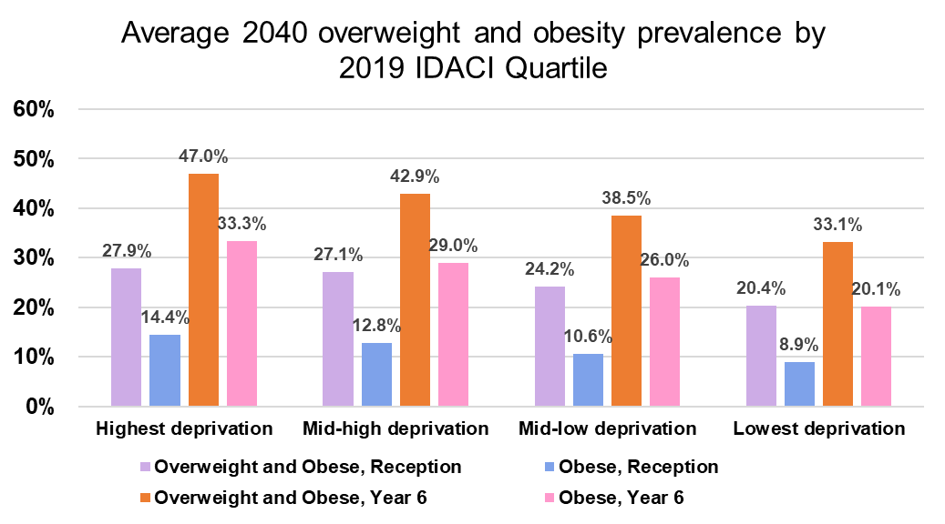
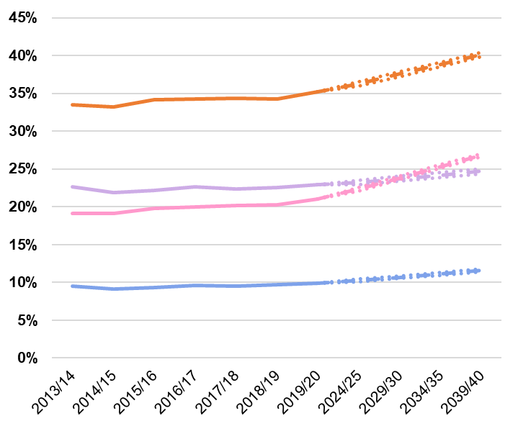
England: | 2020 | 2025 | 2030 | 2035 | 2040
Reception
Overweight & Obese: | 23.0% | 23.2% | 23.7% | 24.2% | 24.7%
Obese: | 9.9% | 10.2% | 10.7% | 11.1% | 11.6%
Year 6
Overweight & Obese: | 35.2% | 36.2% | 37.5% | 38.9% | 40.2%
Obese: | 21.0% | 22.3% | 23.8% | 25.3% | 26.8%

 |  | Overweight and Obese, Year 6

 |  | Obese, Year 6

 |  | Overweight and Obese, Reception

 |  | Obese, Reception

 |  |  | Historical figures
 |  |  | Projected figures
 |  |  | Confidence intervals

How many areas will reach the target to halve 2018 prevalence by 2030?

All local authority areas

How many areas will reach half of England's overall 2018 prevalence by 2030?

No. | Overweight and Obese, Reception | Obese, Reception | Overweight and Obese, Year 6 | Obese, Year 6
Will reach target | 0 | 4 | 0 | 0
Will not reach target | 149 | 145 | 149 | 149

No. | Overweight and Obese, Reception | Obese, Reception | Overweight and Obese, Year 6 | Obese, Year 6
Will reach target | 0.0% | 2.7% | 0.0% | 0.0%
Will not reach target | 100.0% | 97.3% | 100.0% | 100.0%

How many areas will reach half of their own 2018 prevalence by 2030?

No. | Overweight and Obese, Reception | Obese, Reception | Overweight and Obese, Year 6 | Obese, Year 6
Will reach target | 1 | 0 | 0 | 0
Will not reach target | 148 | 149 | 149 | 149

No. | Overweight and Obese, Reception | Obese, Reception | Overweight and Obese, Year 6 | Obese, Year 6
Will reach target | 0.7% | 0.0% | 0.0% | 0.0%
Will not reach target | 99.3% | 100.0% | 100.0% | 100.0%

The most deprived IMD/IDACI quartile of local authority areas

How many areas will reach half of England's overall 2018 prevalence by 2030?

No. | Overweight and Obese, Reception | Obese, Reception | Overweight and Obese, Year 6 | Obese, Year 6
Will reach target | 0 | 0 | 0 | 0
Will not reach target | 37 | 37 | 37 | 37

No. | Overweight and Obese, Reception | Obese, Reception | Overweight and Obese, Year 6 | Obese, Year 6
Will reach target | 0.0% | 0.0% | 0.0% | 0.0%
Will not reach target | 100.0% | 100.0% | 100.0% | 100.0%

How many areas will reach half of their own 2018 prevalence by 2030?

No. | Overweight and Obese, Reception | Obese, Reception | Overweight and Obese, Year 6 | Obese, Year 6
Will reach target | 0 | 0 | 0 | 0
Will not reach target | 37 | 37 | 37 | 37

No. | Overweight and Obese, Reception | Obese, Reception | Overweight and Obese, Year 6 | Obese, Year 6
Will reach target | 0.0% | 0.0% | 0.0% | 0.0%
Will not reach target | 100.0% | 100.0% | 100.0% | 100.0%

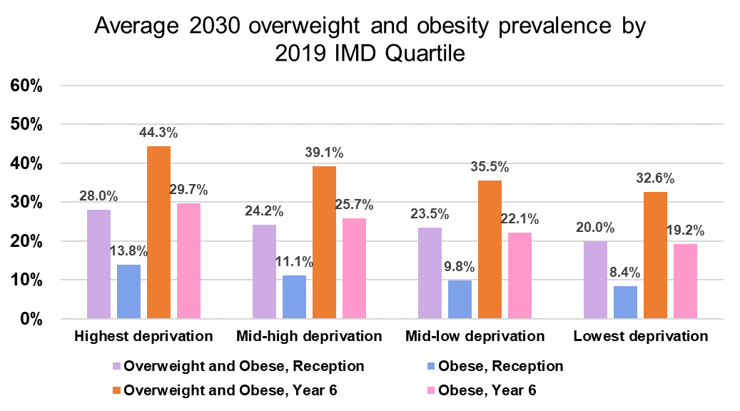
Average 2030 overweight and obesity prevalence by 2019 IMD Quartiles

IMD | Overweight and Obese, Reception | Obese, Reception | Overweight and Obese, Year 6 | Obese, Year 6
Highest deprivation | 28.0% | 13.8% | 44.3% | 29.7%
Mid-high deprivation | 24.2% | 11.1% | 39.1% | 25.7%
Mid-low deprivation | 23.5% | 9.8% | 35.5% | 22.1%
Lowest deprivation | 20.0% | 8.4% | 32.6% | 19.2%

Average 2030 overweight and obesity prevalence by 2019 IDACI Quartiles

IDACI | Overweight and Obese, Reception | Obese, Reception | Overweight and Obese, Year 6 | Obese, Year 6
Highest deprivation | 26.5% | 13.1% | 43.3% | 29.2%
Mid-high deprivation | 25.4% | 11.7% | 40.0% | 25.9%
Mid-low deprivation | 23.3% | 10.0% | 36.5% | 23.2%
Lowest deprivation | 20.3% | 8.4% | 31.8% | 18.5%

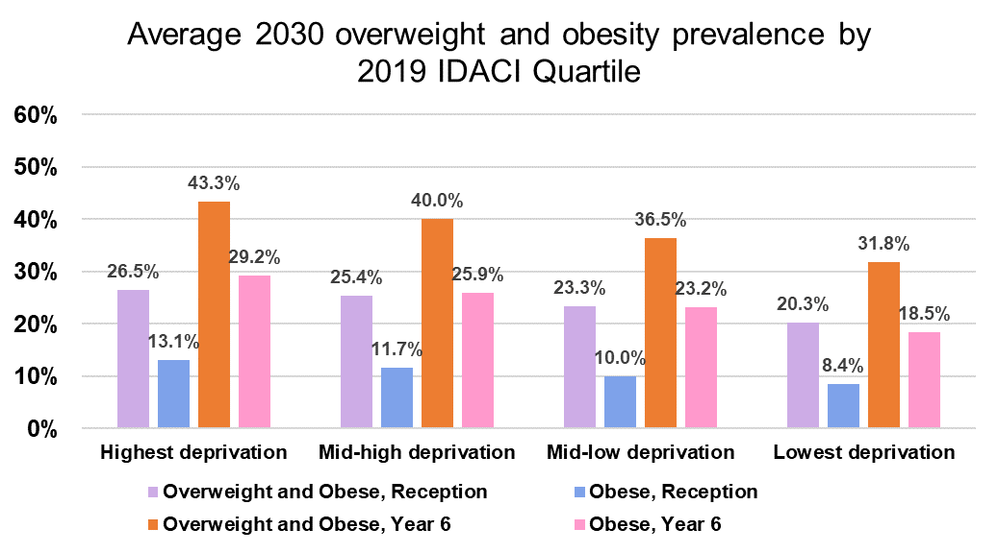

Average 2040 overweight and obesity prevalence by 2019 IMD Quartiles
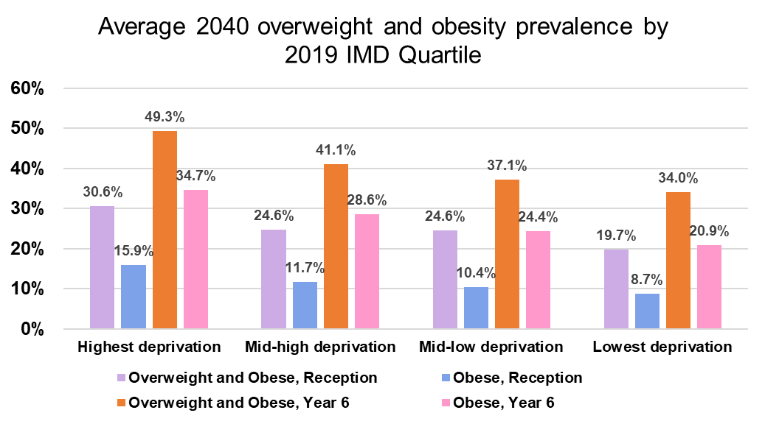
IMD | Overweight and Obese, Reception | Obese, Reception | Overweight and Obese, Year 6 | Obese, Year 6
Highest deprivation | 30.6% | 15.9% | 49.3% | 34.7%
Mid-high deprivation | 24.6% | 11.7% | 41.1% | 28.6%
Mid-low deprivation | 24.6% | 10.4% | 37.1% | 24.4%
Lowest deprivation | 19.7% | 8.7% | 34.0% | 20.9%

Average 2040 overweight and obesity prevalence by 2019 IDACI Quartiles

IDACI | Overweight and Obese, Reception | Obese, Reception | Overweight and Obese, Year 6 | Obese, Year 6
Highest deprivation | 27.9% | 14.4% | 47.0% | 33.3%
Mid-high deprivation | 27.1% | 12.8% | 42.9% | 29.0%
Mid-low deprivation | 24.2% | 10.6% | 38.5% | 26.0%
Lowest deprivation | 20.4% | 8.9% | 33.1% | 20.1%

