Introduction
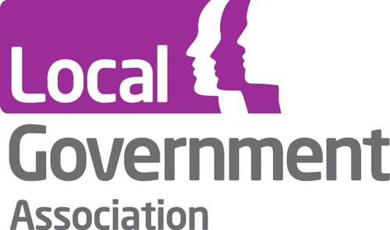

 |  | COVID-19 Safeguarding Insight Project Return (January 2019 - December 2020)

Thank you for participating in this insight project. Your response will help us to build up a prompt and accurate overview of recent developments in adult safeguarding, enabling the sector to take action to address current issues as they develop. Your comments and insights are considered just as valuable as your quantitative data.

This exercise is voluntary and we are happy to accept partial returns, although we would encourage you to provide as much of the specified information as you can. We are also well aware that there has not necessarily been time for your data to be fully validated, and will present the outcomes of this exercise in the light this by use of appropriate caveats. You will also have the opportunity to provide explanatory text to contextualise your return. This exercise uses the same definitions of concepts used in the regular Safeguarding Adults Collection (SAC).

This return aims to capture data and insight covering the period from January 2019 to Decmber 2020, in order to provide a comparative baseline for the year before the COVID-19 crisis. There is no need to provide data for any months which your council has already supplied; please feel free to leave these columns blank. If you do provide data for months already provided, these will be treated as revisions and will override the previous data in our records. Please try to complete this return by Friday 29th January, although submissions provided after that date will still be accepted. Feel free to send multiple versions of this return to us providing data one month at a time if this is more convenient for you.

To submit this return, simply email it to the Care and Health Improvement Programme at |  |  | CHIP@local.gov.uk
Please also get in touch with us if you have any questions about the process of taking part.

All responses will be treated confidentially. Identifiable information about individuals will be used internally by the LGA but will only be held and processed in accordance with our privacy statement. Identifiable information about local authorities will be shared among the participants of this exercise, but will not be made available to other local authorities, central government bodies or the general public. We are undertaking this survey to aid the legitimate interests of the LGA in supporting and representing authorities. |  |  |  | https://www.local.gov.uk/privacy-policy-0

Contact details

 | Please provide the following details about yourself.

 | Name

 | Local Authority

 | Job Title

 | Email Address

Safeguarding numerical data entry

 | To provide your data for this exercise, please go to the 'Data Entry' tab and copy and paste the relevant figures into it.

 | Note: some fields are automatically calculated based on previous responses. These fields already have a zero present.

 | Please provide any explanatory notes, clarifications or caveats about the data you provide in the box below. Please do not provide additional comments and insight in this box; these should be provided in the 'Other Comments Insights' section below this one. Please feel free to leave the following box blank if explanatory notes for the numerical data are not needed.

Other Comments and Insights

Thinking on your experiences since the start of the first lockdown on 23 March 2020, we welcome your reflections on your local experience of safeguarding adults activity. You may need to contact your adult safeguarding strategic lead(s) and other colleagues, who can provide the context and narrative to the data. We are particularly interested in patterns, themes or changes over this period, as well as in comparison to previous year(s). Your insights will be very valuable and collated for the second report. Please do not provide any technical notes on the numerical data in the following boxes; these notes should be provided in the box above.

What has changed in local safeguarding activity since March 2020?

Has there been any changes in mental health needs (including suicide and self-neglect) leading to safeguarding concerns or enquiries?

What has been the impact of the pandemic on safeguarding referrals from care homes? Have they increased or decreased? What happened during
periods of lockdown?
Please give one or two examples if possible.

Do you have evidence of increasing complexity of safeguarding enquiries during this pandemic? If yes, what have you noticed?

Have you any evidence (e.g. case files, deep dives) about how COVID-19 has impacted on local safeguarding adults' activity that you can share with
us?
For example, are there safeguarding enquiries that have a COVID-19 aspect to it that you were able to identify?

Have your experiences of the first lockdown changed your approach to safeguarding adults during this period and/or in the longer term?
Examples might include new partnerships, new guidance, virtual contact and/or use of technology.

Thinking about the first lockdown, in your experience, what did safeguarding adults work gain, and what did it lose?

Have you noticed any changes in patterns of who is making safeguarding referrals in 2020?

Have you any insight to offer on the impact on carers during the pandemic?

You have now reached the end of this data collection exercise. Please email this completed return to the Care and Health Improvement Programme Team at CHIP@local.gov.uk. Many thanks for your participation.

