Introduction
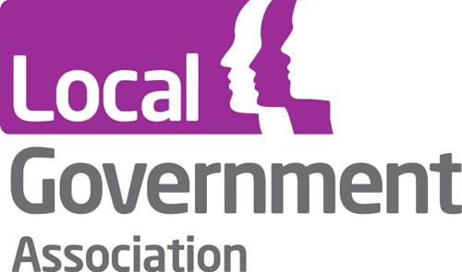

 |  | COVID-19 Interim Safeguarding Adults Data Collection Initial Return (Jan 2019 - Apr 2020)

Thank you for participating in this data collection exercise. Your response will help us to build up a prompt and accurate overview of recent developments in adult safeguarding, enabling the sector to take action to address current issues as they develop.

This exercise is voluntary and we are happy to accept partial returns, although we would encourage you to provide as much of the specified data as you can. We are also well aware that there has not necessarily been time for your data to be fully validated, and will present the outcomes of this exercise in the light this by use of appropriate caveats. You will also have the opportunity to provide explanatory text to contextualise your return. This exercise uses the same definitions of concepts used in the regular Safeguarding Adults Collection (SAC).

This initial return aims to capture data covering the period from January 2019 to April 2020, in order to provide a comparative baseline for the year before the COVID-19 crisis. Please feel free to provide date for May 2020 if readily available, but there will be another apportunity to provide or revise this data in July. Subsequent returns will collect data for one month at a time, with a lag of two months (for example, in July 2020 we will ask you for data relating to May 2020). Please try to complete this initial return by Tuesday 30 June, although submissions provided after that date will still be accepted.

To submit this return, simply email it to the Care and Health Improvement Programme at |  |  | CHIP@local.gov.uk
Please also get in touch with us if you have any questions about the process of taking part.

All responses will be treated confidentially. Identifiable information about individuals will be used internally by the LGA but will only be held and processed in accordance with our privacy statement. Identifiable information about local authorities will be shared among the participants of this exercise, but will not be made available to other local authorities, central government bodies or the general public. We are undertaking this survey to aid the legitimate interests of the LGA in supporting and representing authorities. |  |  |  | https://www.local.gov.uk/privacy-policy-0

Contact details

 | Please provide the following details about yourself.

 | Name

 | Local Authority

 | Job Title

 | Email Address

Safeguarding data entry

 | To provide your data for this exercise, please go to the 'Data Entry' tab and copy and paste the relevant figures into it.

 | Note: some fields are automatically calculated based on previous responses.

Explanatory Notes and Other Insights

 | We are interested to know what insight you can share about safeguarding activity in your locality. What is the data telling you or not telling you? What insights do you have regarding who has been raising concerns (source of concern)? What insights do you have about safeguarding in care home settings (location or risk)? Are you aware of any impact regarding safeguarding people who are homeless? Do you have any local insight regarding the differential impact on people from minority ethnic communities? Is there any other data to support these insights that you can share?

You have now reached the end of this data collection exercise. Please email this completed return to the Care and Health Improvement Programme Team at CHIPTeam@local.gov.uk. Many thanks for your participation.

